Table 16
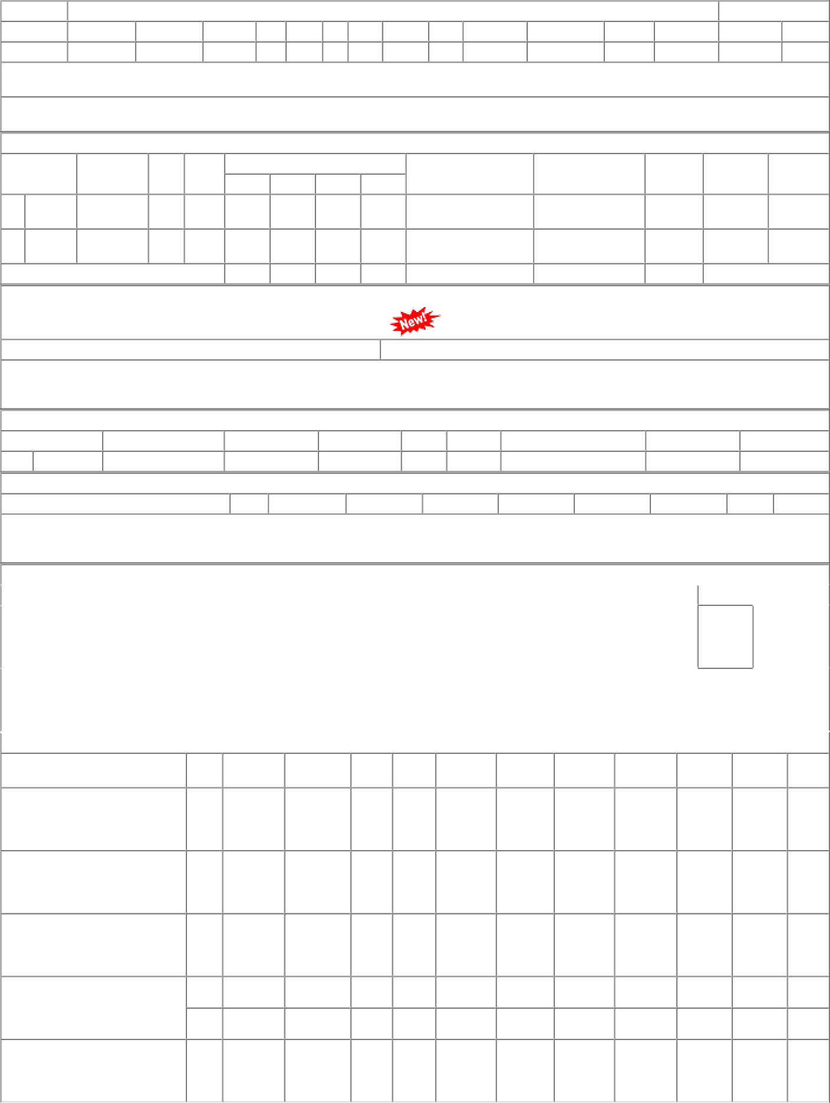
P.O.No.52221578801772 dt.13/12/22 on M/s.PCMM Office, Central Railway, Mumbai - 400001 PO-CAT:[ Reg ] P.O.No.15221365105989 dt.28/11/22 on M/s.KNORR- BREMSE INDIA PVT. LTD.- PALWAL PO-CAT:[ Reg ] P.O.No.15211365106363 dt.21/12/21 on M/s.KNORR- BREMSE INDIA PVT. LTD.- PALWAL PO-CAT:[ Reg ] P.O.No.15201365105640 dt.21/12/20 on M/s.KNORR BREMSE INDIA PVT LTD- PALWAL PO-CAT:[ Reg ] P.O.No.52201221800908 dt.02/12/20 on M/s.PCMM Office, Central Railway, Mumbai - 400001 PO-CAT:[ Reg ] | 001 001 001 001 002 001 | PL-CR PL-CR PL-CR PL-CR PL-CR PL-CR | 2286.57 2360.00 2301.00 2212.50 2212.50 2046.84 | 100 208 147 100 140 70 | Set 0 Set 0 Set 0 Set 0 Set 0 Set 0 | 0 0 0 0 0 147 0 100 0 140 0 70 | 12/02/23 29/04/23 21/05/22 21/03/21 31/05/21 01/02/21 | 14/12/22 12/02/23 OP 01/03/23 29/04/23 OP 21/05/22 OP 21/03/21 OP 01/04/21 31/05/21 OP 28/02/21 28/02/22 OP

